Main
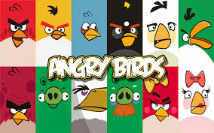
0
 |  |  | < Get $$$

 |  |  | FreeSpins
 |  |  | 0

 |  | Credits
 |  | 610
 |  | Bets Per Line
 |  | 5
 |  | Lines Betted
 |  | 9
 |  | Total Bets
 |  | 45
SPIN
i

Hit Spin To Start
MAX BET

BETS PER LINE

LINES BET

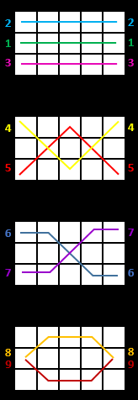

 | Angry Birds Slot Programmed By Remy Lim 2017

